Script
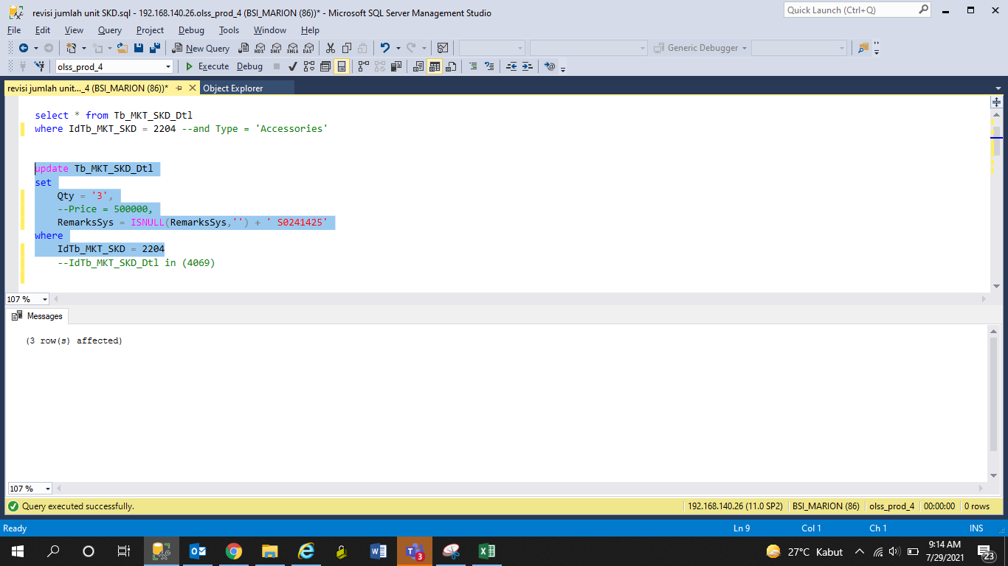
update Tb_MKT_SKD_Dtl
set
Qty = '3',
 | --Price = 500000,
RemarksSys = ISNULL(RemarksSys,'') + ' S0241425'
where
IdTb_MKT_SKD = 2204

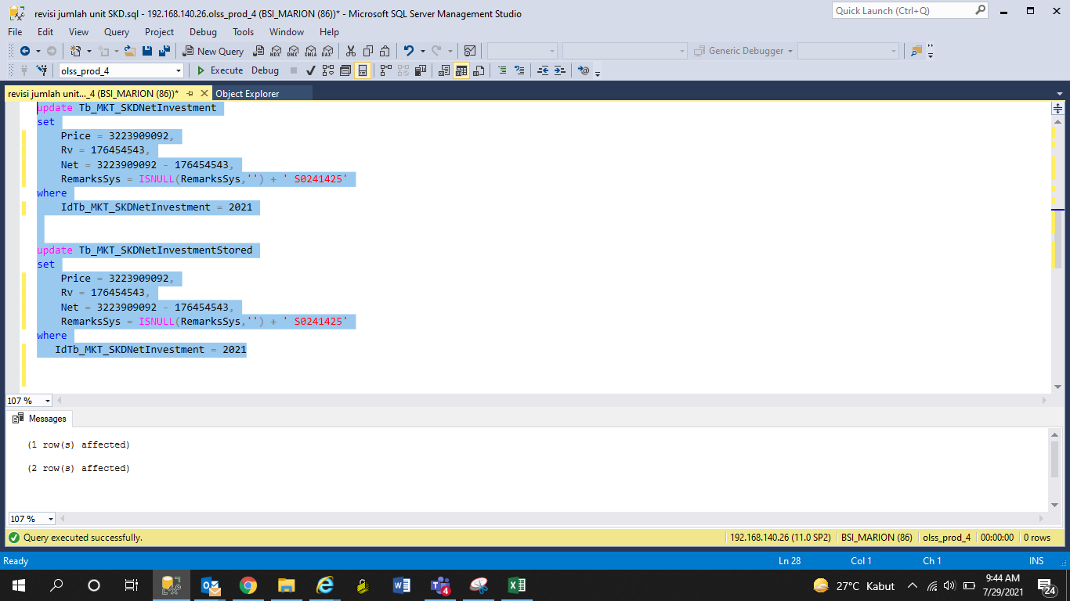
update Tb_MKT_SKDNetInvestment
set
Price = 3223909092,
Rv = 176454543,
Net = 3223909092 - 176454543,
RemarksSys = ISNULL(RemarksSys,'') + ' S0241425'
where
IdTb_MKT_SKDNetInvestment = 2021

update Tb_MKT_SKDNetInvestmentStored
set
Price = 3223909092,
Rv = 176454543,
Net = 3223909092 - 176454543,
RemarksSys = ISNULL(RemarksSys,'') + ' S0241425'
where
IdTb_MKT_SKDNetInvestment = 2021

Screenshot
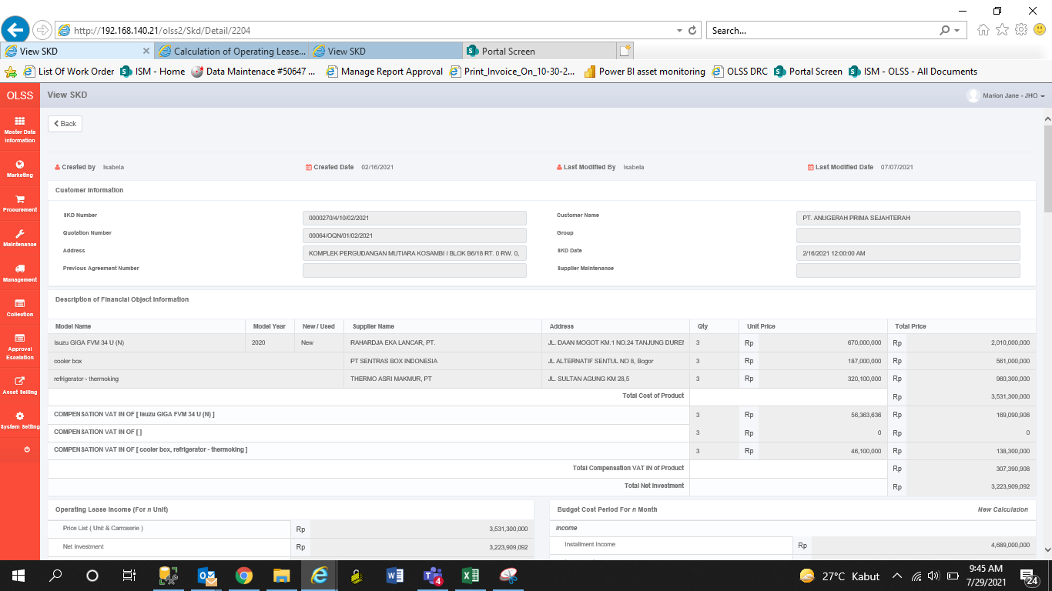
BEFORE


AFTER

AFTER

